Sheet1
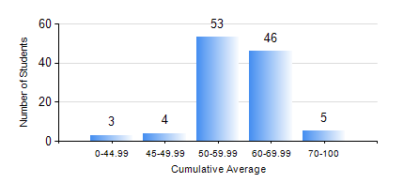
 |  |  | KWAME NKRUMAH UNIVERSITY OF SCIENCE AND TECHNOLOGY, KUMASI Department of Agricultural and Biosystems Engineering

 |  |  | BSC. AGRICULTURAL ENG.

 |  |  | COMPREHENSIVE RECORD OF EXAMINATION RESULTS

 |  |  | RESULTS OF YEAR 2 FIRST SEMESTER, 2020/2021 ACADEMIC YEAR

 | Sn | Course Code |  | Course Name | Credit Hours | Min. Mark | Max. Mark | Avg. Mark | Std. Dev. | No. Passed | No. Trailed | No. (Df) | No. (I) | No. (I*) | No. Tagged(I,I*,Df) | Total
 | 0. |  |  |  |  |  |  | 0 | 0 | 0 | 0 | 0 | 0 | 0 | 0 | 12
 | 1. | CENG 291 |  | ENGINEERING IN SOCIETY | 2 | 20 | 82 | 70 | 8.1 | 98 | 1 | 0 | 0 | 0 | 0 | 99
 | 2. | ENGL 263 |  | LITERATURE IN ENGLISH I | 1 | 26 | 71 | 53 | 6.05 | 97 | 1 | 0 | 1 | 0 | 1 | 99
 | 3. | MATH 251 |  | DIFFERENTIAL EQUATIONS | 4 | 13 | 75 | 46 | 10.96 | 83 | 15 | 0 | 1 | 0 | 1 | 99
 | 4. | ME 251 |  | FLUID MECHANICS I | 3 | 29 | 78 | 46 | 6.88 | 96 | 2 | 0 | 1 | 0 | 1 | 99
 | 5. | ME 255 |  | STRENGTH OF MATERIALS I | 3 | 27 | 86 | 59 | 13.43 | 91 | 7 | 0 | 1 | 0 | 1 | 99
 | 6. | ME 259 |  | APPLICATIONS OF COMPUTER GRAPHICS | 2 | 40 | 78 | 61 | 8.23 | 98 | 0 | 0 | 1 | 0 | 1 | 99
 | 7. | ME 265 |  | THERMODYNAMICS I | 3 | 34 | 85 | 57 | 11.34 | 97 | 1 | 0 | 1 | 0 | 1 | 99
 | 8. | ME 295 |  | MECHANICAL ENGINEERING LAB. I | 1 | 15 | 68 | 46 | 10.5 | 84 | 14 | 0 | 1 | 0 | 1 | 99

